Sheet2
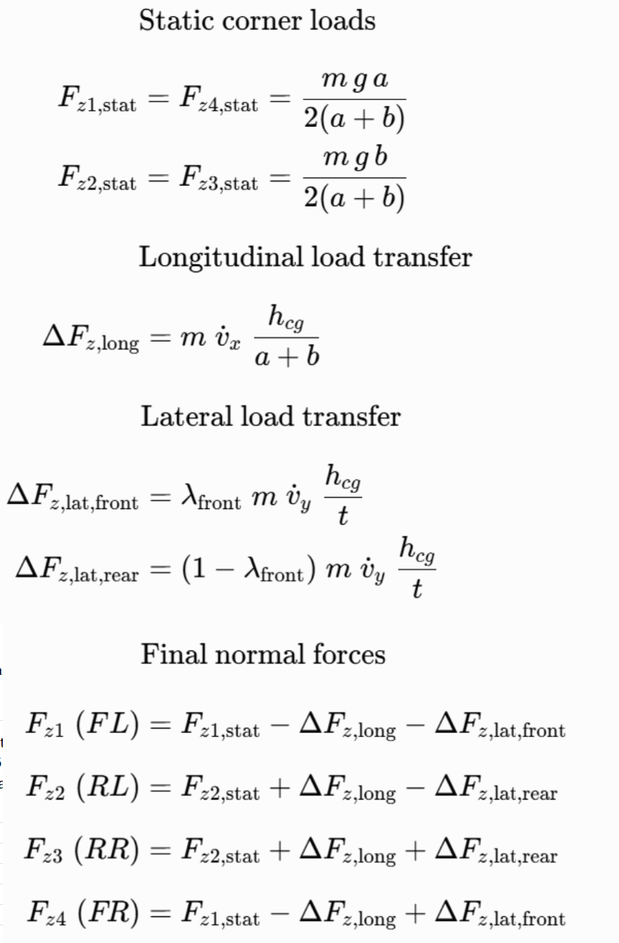
File (script) | Function name | Purpose | Key Equations (screenshot-ready)
Model_v5.m | Model = Model_v5(car) | Main wrapper: calls all sub-functions in order, builds the full symbolic 5-DOF model (vₓ, vᵧ, r, ω₂, ω₃), removes δ̇ (assumes slow steering), returns f(ẋ,x,u) = 0 | Final model: f = [v̇ₓ; v̇ᵧ; ṙ; ω̇₂; ω̇₃] − equations = 0
makeSymbols2.m | [State, StateDeriv, Input, InputDeriv] = makeSymbols2() | Creates all symbolic MATLAB variables: States: v_x, v_y, r, omega_2, omega_3 Inputs: delta, T_m2, T_m3 (and their rates) | Variable Declaration Only
makeKinematics.m | [Slip, FrontWheels, wc] = makeKinematics(...) | Pure kinematic slip calculation (no forces yet). Computes wheel-center velocities in wheel frame. Solves front wheels under no-longitudinal-slip assumption → gives ω₁, ω₄, ω̇₁, ω̇₄ . Returns longitudinal slip λᵢ and slip angles αᵢ for all 4 wheels. | Wheel-center velocity (example wheel 1): v_{wx1} = (v_x − t/2·r) cos δ + (v_y + b·r) sin δ v_{wy1} = (v_y + b·r) cos δ − (v_x − t/2·r) sin δ Front no-slip → ω₁ = v_{wx1}/R, ω₄ = v_{wx4}/R Long. slip `λᵢ = (ωᵢ R − v_{wxi}) /
makeNormalForces.m | Fz = makeNormalForces(StateDeriv, car) | Computes all four corner normal forces. Static weight distribution + Longitudinal load transfer (aₓ) + Lateral load transfer (aᵧ) with roll stiffness distribution λ_front. Steady state load transfer assumption | 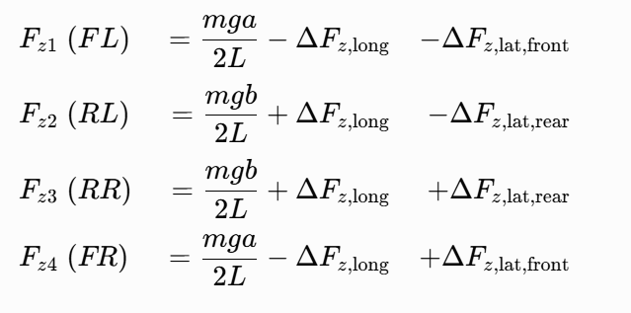 F_{z1} = m g a/(2L) − m a_x h/L − λ_f m a_y h/t F_{z2} = m g b/(2L) + m a_x h/L − λ_r m a_y h/t F_{z3} = m g b/(2L) + m a_x h/L + λ_r m a_y h/t F_{z4} = m g a/(2L) − m a_x h/L + λ_f m a_y h/t
makeWheelFrameForces2.m | WheelFrameForces = makeWheelFrameForces2(...) | Applies Pacejka Magic Formula (combined slip) to get longitudinal and lateral tire forces in wheel frame. Rear wheels (2,3): full combined slip. Front wheels (1,4): longitudinal force comes from drivetrain inertia/damping (enforces no-slip), lateral force scaled to stay inside friction ellipse | Pure MF (before combining): F_{x0} = μ F_z sin[C arctan(B λ − E (B λ − arctan B λ)))] F_{y0} = μ F_z sin[C arctan(B α − E (B α − arctan B α)))] Combined scaling (smooth ellipse): F_x = F_{x0} / √(1 + (F_{y0}/μ_y)^2) F_y = F_{y0} / √(1 + (F_x/μ_x)^2)
makeDriveTrain2.m | [omega_dot_2, omega_dot_3] = makeDriveTrain2(...) | Simple single-wheel drivetrain dynamics for the rear driven wheels only. Torque from motor overcomes tire force, viscous damping → gives ω̇₂ and ω̇₃ | I_2 ω̇₂ = T_{m2} − F_{x2} R − B_2 ω₂ I_3 ω̇₃ = T_{m3} − F_{x3} R − B_3 ω₃
makeBodyFrameDynamics3.m | [v_dot_x, v_dot_y, r_dot] = makeBodyFrameDynamics3(...) | Classic 3-DOF planar vehicle equations in body frame. Sums all tire forces → body axes (including aero drag) → solves for v̇ₓ, v̇ᵧ, ṙ | Force summation: F_x = Σ(F_{xi} cos δ − F_{yi} sin δ) − ½ ρ C_d A_f v_x² F_y = Σ(F_{yi} cos δ + F_{xi} sin δ) − ½ ρ C_d A_s v_y² Moment: M_z = Σ(x_i F_{yi} − y_i F_{xi}) Final accelerations: v̇_x = F_x/m + v_y r v̇_y = F_y/m − v_x r ṙ = M_z / I_{zz}

Sheet3
$$∂1$$
$$∂4$$

$$α4$$
$$α1$$

$$α2$$
$$α3$$

